工作表1
Xmind
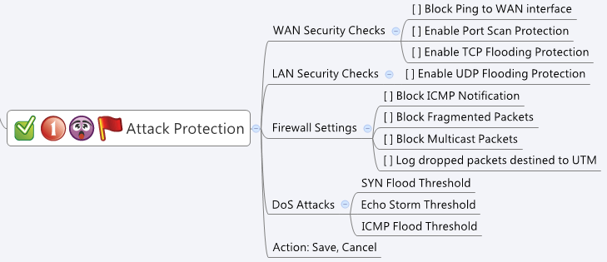

Behavior
None

[UI Display Name] | [CGI Name] | [JSON Name] | [Description] | Range / Default Value / Units
Block Ping to WAN interface | attackProtection.cgi | blockPingWanEnabled | 0: disabled, 1: enabled | Default: 0
Enable Port Scan Protection | attackProtection.cgi | portScanProtectionEnabled | 0: disabled, 1: enabled | Default: 0
Enable TCP Flooding Protection | attackProtection.cgi | tcpFloodingProtectionEnabled | 0: disabled, 1: enabled | Default: 0
Enable UDP Flooding Protection | attackProtection.cgi | udpFloodingProtectionEnabled | 0: disabled, 1: enabled | Default: 0
Log dropped packets destined to UTM | attackProtection.cgi | enableInputDropLog | 0: disabled, 1: enabled | Default: 0
Block ICMP Notification | attackProtection.cgi | blockIcmpEnabled | 0: disabled, 1: enabled | Default: 0
Block Fragmented Packets | attackProtection.cgi | blockFragmentEnabled | 0: disabled, 1: enabled | Default: 0
Block Multicast Packets | attackProtection.cgi | blockMulticastEnabled | 0: disabled, 1: enabled | Default: 0
SYN Flood Threshold | attackProtection.cgi | synFloodThreshold | int, user input field. | Range:0~50000, Default: 0, Units: Packets per second
Echo Storm Threshold | attackProtection.cgi | echoStormThreshold | int, user input field. | Range:0~50000, Default: 0, Units: Packets per second
ICMP Flood Threshold | attackProtection.cgi | icmpFloodThreshold | int, user input field. | Range:0~50000, Default: 0, Units: Packets per second

JSON String
## cgi name ##
attackProtection.cgi
## GET && POST methods ##
{
"blockPingWanEnabled":1,
"portScanProtectionEnabled":1,
"tcpFloodingProtectionEnabled":1,
"udpFloodingProtectionEnabled":1,
"enableInputDropLog":0,
"blockIcmpEnabled":1,
"blockFragmentEnabled":0,
"blockMulticastEnabled":1,
"synFloodThreshold":200,
"echoStormThreshold":200,
"icmpFloodThreshold":200
}

